GLMS InlineMarking
Getech Machine Quoteation. |  | GAR: In-line Fixtured Routing System
Customer. |  | Name |  |  | Dated | 17-Dec-18
For the attention of |  | Name |  |  | Valid for 30 days

Machine General Description |  | Panel Size Capability | Worktables | Vac System | Laser Source | Suggested End User Price | Qty | Suggested End User | Discount/ Commission | Total Price USD
GLMS - Inline Laser Marking Machine |  | 450mm x 400mm w Flip | One Position | Top | 30W CO2 | $90,000.00 | 1 | $90,000.00 | 0% | $90,000.00
 |  |  |  |  | Machine Totals |  |  | $90,000.00 | 0% | $90,000.00

The GLMS is a High Speed, High Power Laser marking system. The high power reduces the period of time each mark takes to create increasing the mark resoluition - a key to readability. The machine has integrated internally a Flip station allowing both sides of the PCB to be marked in a single operation.
Large Panel Size 450mm x 400mm (18 x 16 inches)
Powerful X Y Servo Motor Power Axis
30W CO2 Laser for high resolution marks
Z axis adjustability with Laser
Internal Flip Station
Double Side Marking
Class 1 Laser
Class 4 Enclosure
Auto Conveyor Width Adjust
ESD Edge Belts
Visual Move Teach and Programming System
Verification of 1D and 2D marks in real time.
Fume Extraction w Carbon filtration
MES Integrtion
SMEMA
CE Certification
USP to insure last PCB marking is completed
1D, 2D, Alpha Numerics, QR Codes and Graphics
 |  |  |  |  |  | 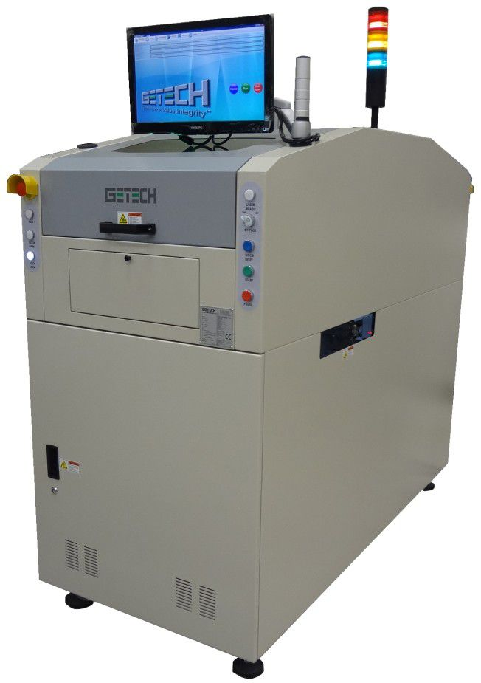 |  |  |  | $90,000.00

OPTIONS |  |  |  |  |  | Suggested End User Price | Qty | Sub Total | Discount | $-
1 | Internal Flip Station for double sided operations (Default) |  |  |  |  | $8,900.00 | 1 | $8,900.00 | 20% | $7,120.00
2 | MES Integration |  |  |  |  | Quoted
3 | Scanner 1D/2D decode |  |  |  |  | $5,280.00 | 1 | $5,280.00 | 0% | $5,280.00
4 | Fume Extract |  |  |  |  | Incl
5 | UPS to continue current PCB to completion |  |  |  |  | $2,790.00 | 1 | $2,790.00 | 0% | $2,790.00

 |  |  |  |  |  |  |  | Options |  | $15,190.00
Standard Terms and Conditons |  |  |  |  |  |  |  | Machine |  | $90,000.00
1 | All Prices are quoted Ex Works Getech's Singapore Factory |  |  |  |  |  |  | Total |  | $105,190.00
2 | All Estimates provided in relation to this project are Estimates only.
3 | Machine performance and product suitability can only be qualified with sample materials.
4 | Payment Terms 40% with Order, 40% on Shipment, 20% due 120 days after Shipment. Unless otherwise agreed.

 | 201 Woodlands Ave 9, #05-50 Spectrum 2, Singapore 738955, Republic of Singapore.

GSR Series Standalone
Getech Machine Quoteation. |  | GAR: In-line Fixtured Routing System
Customer. |  | Name |  |  | Dated | 17-Dec-18
For the attention of |  | Name |  |  | Valid for 30 days

Machine General Description |  | Panel Size Capability | Worktables | Vac System | Spindle Type | Suggested End User Price | Qty | Suggested End User | Discount | Total Price USD
GSR1200 SEMI-AUTOMATIC ROUTER - 4025 SPINDLE |  | Panel 350x350mm, thk<3mm | Two | Top Vac | 4025 spindle | $52,500.00 | 1 | $52,500.00 | 0% | $52,500.00
GSR1280 SEMI-AUTOMATIC ROUTER - 4025 SPINDLE |  | Panel 500x500mm, thk<3mm | Two | Top Vac | 4025 spindle | $72,000.00 | 0 | $- | 0% | $-
GSR1280E SEMI-AUTOMATIC ROUTER - 4041 SPINDLE |  | Panel 610x610mm, thk 8mm | One | Top Vac | 4041 Spindle | $70,000.00 | 0 | $- | 0% | $-
GSR 1290 SEMI-AUTOMATIC ROUTER - 4041 SPINDLE |  | Panel 910x610mm, thk 8mm | One | Top Vac | 4041 Spindle | $73,000.00 | 0 | $- | 0% | $-
 |  |  |  |  | Machine Totals |  |  |  | 0% | $52,500.00

The GSR series of dual and large single table routers are stand alone machines specially designed to route (de-panelize) printed circuit board assemblies (PCBA) with precision and repeatability in High Volume environments. They are capable of speeds of up to 100mm/s and positioning speeds of 1000mm/s. The dual table design allows continuous operation of routing without stoppages due to panel load/unload - table one is being loaded and unloaded the second table is in an active operational mode being cut. The machines rigid design and precision axis allows the system to operate with high acceleration/deceleration, reducing cycle time while maintaining high accuracy. Using a high resolution CCD camera the GSR user-friendly Windows-based software allows the user to program the routing paths in minutes. The machine operates 2 vacuum blowers and filter tanks for exceptionally clean cutting and finished product. |  |  |  | 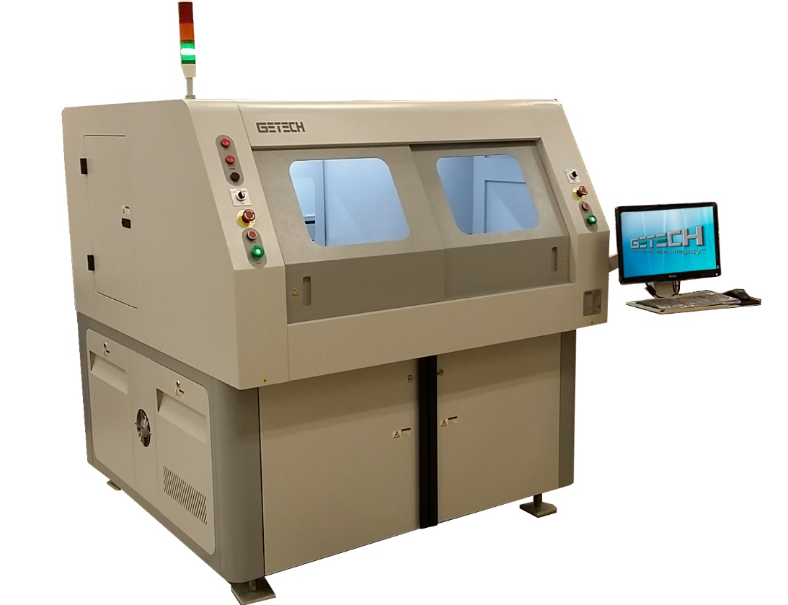 |  |  |  | 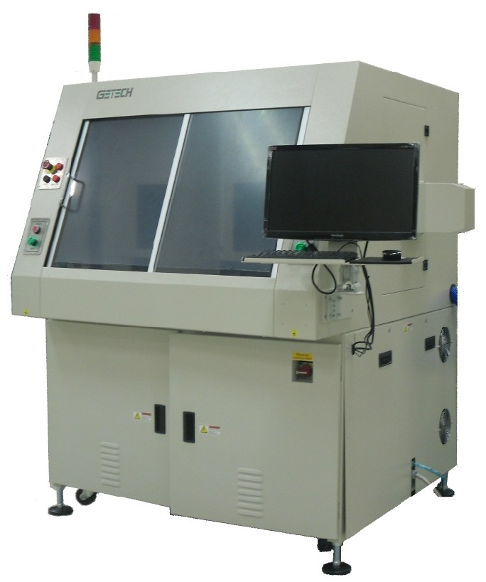 |  | $52,500.00

OPTIONS |  |  | Remarks |  |  | Suggested End User Price | Qty | Sub Total | Discount/ Commission | Total
1 | Fiducial Mark Vision Alignment |  | Standard on GSR2280 |  |  | $6,714 | 1 | $6,714.00 | 20% | $5,371.20
2 | Fiducial Mark Vision Alignment On Site Upgrade c/w new camera |  | Standard on GSR2280 |  |  | $7,650 | 0 | $7,650.00 | 20% | $-
3 | Air Ionizer Fan type (2 units) |  |  |  |  | $720 | 1 | $720.00 | 20% | $576.00
4 | GSR 1200 Universal fixture and top clamp (1 Pair), excl pins and edge guides |  |  |  |  | $2,835 | 0 | $2,250.00 | 20% | $-
5 | GSR 1280 Universal fixture and top clamp (1 Pair), excl pins and edge guides |  |  |  |  | $3,060 | 0 | $2,835.00 | 20% | $-
6 | Vacuum Pressure Sensor - Dust Extraction System |  |  |  |  | $1,190 | 1 | $1,190.40 | 20% | $952.32
7 | Barcode Scanner (1D / 2D) + software |  |  |  |  | $5,280 | 0 | $5,280.00 | 20% | $-
8 | Tool Height (Length) Check Module |  |  |  |  | $4,608 | 0 | $4,608.00 | 20% | $-
9 | Ioniser air nozzle on left and right tables |  |  |  |  | $1,620 | 0 | $1,620.00 | 20% | $-
10 | Top clamp vertical mechanism |  |  |  |  | $2,385 | 0 | $2,385.00 | 20% | $-
12 | Additional vacuum tank c/w filter |  |  |  |  | $1,575 | 0 | $1,575.00 | 20% | $-
13 | CE Certification | Standard on GSR2280 |  |  |  | $5,040 | 1 | $5,040.00 | 20% | $4,032.00
14 | Safety Light Curtain Sensor | Implemented on GSR1200 & GSR1280. Not applicable on GSR2280 & GSR1280E |  |  |  | $4,950 | 0 | $4,950.00 | 20% | $-
15 | Auto Tool Bit Change | Implemented on GSR1280 |  |  |  | $4,950 | 1 | $4,950.00 | 20% | $3,960.00

Standard Terms and Conditons |  |  |  |  |  |  |  | Options |  | $14,891.52
1 | All Prices are quoted Ex Works Getech's Singapore Factory |  |  |  |  |  |  | Machine |  | $52,500.00
2 | All Estimates provided in relation to this project are Estimates only. |  |  |  |  |  |  | Total |  | $67,391.52
3 | Machine performance and product suitability can only be qualified with sample materials.
4 | Payment Terms 40% with Order, 40% on Shipment, 20% due 120 days after Shipment. Unless otherwise agreed.

 | 201 Woodlands Ave 9, #05-50 Spectrum 2, Singapore 738955, Republic of Singapore.

Orion Standalone
Getech Machine Quoteation. |  | Orion - Standalone Routing System
Customer. |  | Name |  |  | Dated | 17-Dec-18
For the attention of |  | Name |  |  | Valid for 30 days

Machine General Description |  | Panel Size Capability | Worktables | Vac System | Spindle | Suggested End User Price | Qty | Suggested End User | Discount/ Commission | Total Price USD
Orion semi auto PCB router [Non CE] |  | Panel 500x450mm, thk <3mm | One Table | Top | 4025 | $45,000.00 | 1 | $45,000.00 | 0% | $45,000.00

The Orion is a stand alone router, specially designed as a low cost solution for stress free depaneling of printed circuit boards. The Orion can accommodate larger PCBs on its single table configuration with maximum panel size of 500mm x 450mm (19.5” x 17.5”). Itis designed to provide a user friendly machine with ease of use as a central design constraint. The welded structure is exceptionally Stiff ensuring cutting accuracy and long machine life. The Machine is fitted with ESD safe Perspex windows, the sliding doors provide a fully enclosed safe and quiet machine. The efficient, repeatable depanelling of PCBs insures finished goods against costly stress failures and costly scrap. The Orion is an ideal machine for low/medium volume manufacturers.
 |  |  |  |  | 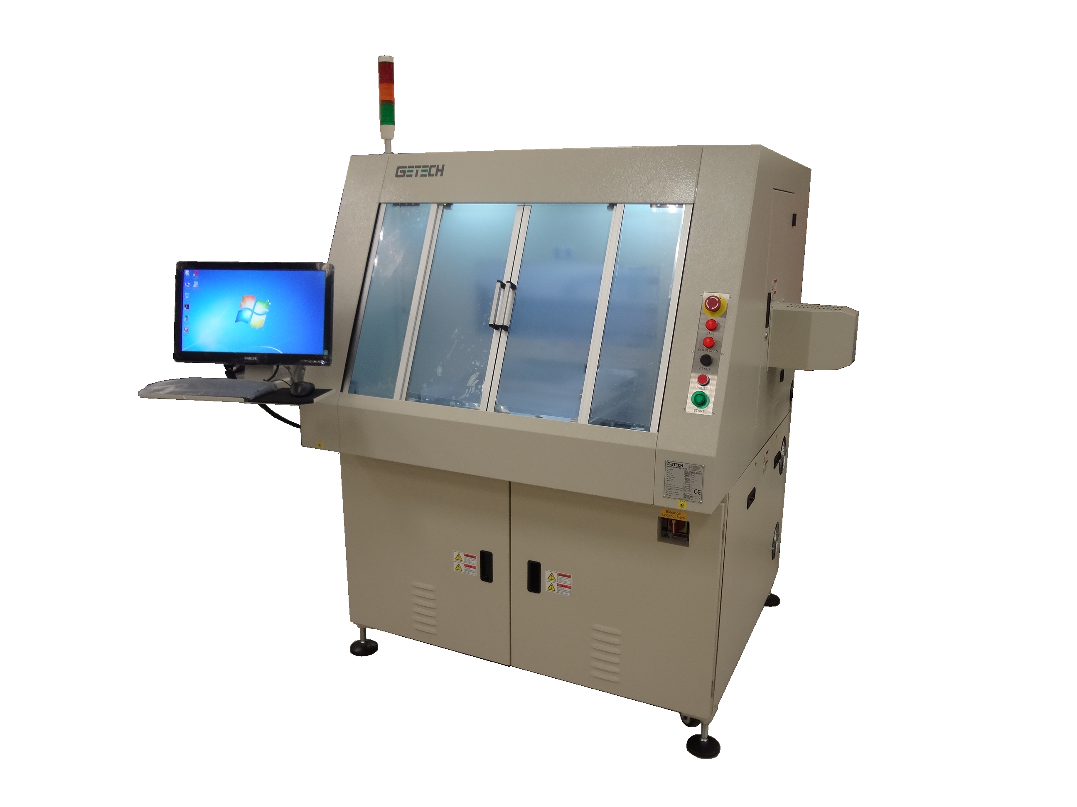 |  |  |  |  | #REF!

OPTIONS |  |  |  |  |  | Suggested End User Price | Qty | Sub Total | Discount/ Commission | Total
1 | Fiducial Mark Vision Alignment |  |  |  |  | $6,714 | 0 | $- | 20% | $-
2 | Air Ionizer Fan type (1 unit) |  |  |  |  | $720 | 0 | $- | 20% | $-
3 | Orion Universal fixture, excl pins and edge guides |  |  |  |  | #REF! | 0 | #REF! | 20% | #REF!
4 | Dual Vacuum Blowers |  |  |  |  | #REF! | 0 | #REF! | 20% | #REF!
5 | Vacuum Pressure Sensor - Dust Extraction |  |  |  |  | $1,190 | 0 | $- | 20% | $-
 |  |  |  |  |  |  |  | Options |  | #REF!
Standard Terms and Conditons |  |  |  |  |  |  |  | Machine |  | $-
1 | All Prices are quoted Ex Works Getech's Singapore Factory Currency is US Dollars |  |  |  |  |  |  | Total |  | #REF!
2 | All Estimates provided in relation to this project are Estimates only.
3 | Machine performance and product suitability can only be qualified with testing of sample materials.
4 | Payment Terms 40% with Order, 40% on Shipment, 20% due 120 days after Shipment. Unless otherwise agreed.

 | 201 Woodlands Ave 9, #05-50 Spectrum 2, Singapore 738955, Republic of Singapore.

GAR InLine
Getech Machine Quoteation. |  | GAR: In-line Fixtured Routing System
Customer. |  | Name |  |  | Dated | 17-Dec-18
For the attention of |  | Name |  |  | Valid for 30 days

Machine General Description |  | Panel Size Capability | Worktables | Vac System | Spindle Type | Suggested End User Price | Qty | Suggested End User | Discount | Total Price USD
GAR1200 - In-Line PCB Router |  | 350mm x 310mm | Two Tables | Top | 4041 | $90,000.00 | 1 | $90,000.00 | 0% | $90,000.00
GAR1200K -In-Line PCB Router (Single Table) |  | 450mm x 330mm | One Table | Top | 4041 | $90,000.00 | 0 | $- | 0% | $-

 |  |  |  |  | Machine Total |  |  | $90,000.00 | $- | $90,000.00

The Getech GAR is an In-Line top router designed for high speed, high volume applications. The machine operates two tables in unison. When one table is in the active cutting location the second is in the Load/Unload position. With inline PCB feed and a Flat Belt offload for teh cut PCBs. Scrap materil is dumped inside and conveyed to the back of the machine. Optionally the flat belt can be replaced with a Bridge axis that ties the machine to down stream opertions.
 |  |  |  |  |  | 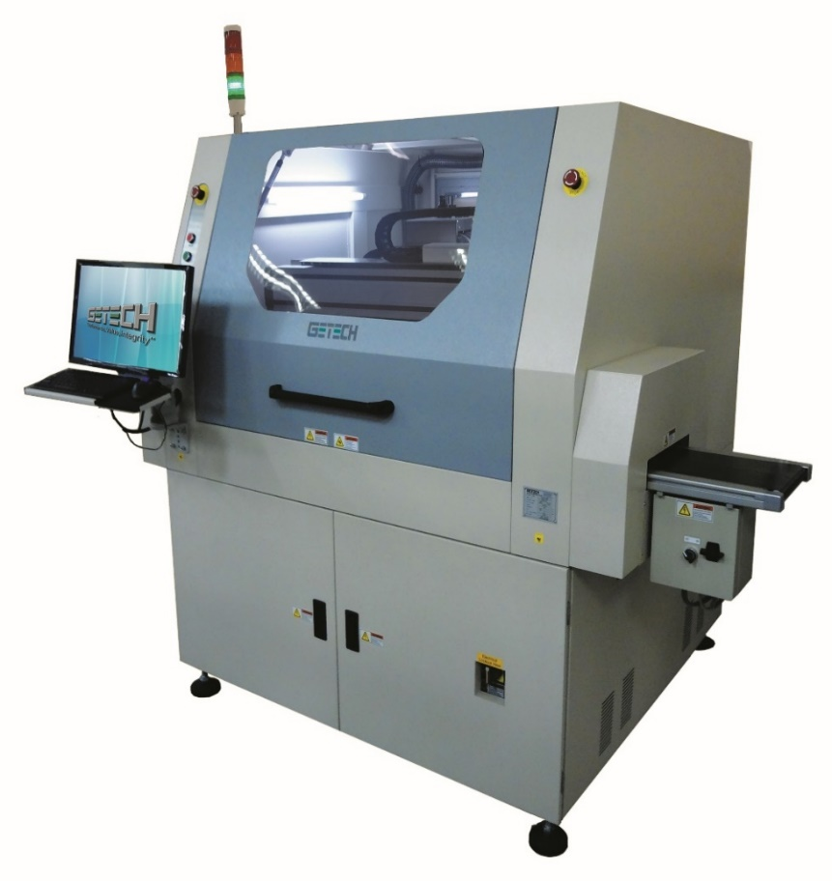

OPTIONS |  |  |  |  |  | Suggested End User Price | Qty | Sub Total | Discount/ Commission | Total
1 | CE Certification |  |  |  |  | $5,040.00 | 1 | $5,040.00 | 20% | $4,032.00
2 | Vacuum Pressure Sensor |  |  |  |  | $1,190.40 | 1 | $1,190.40 | 20% | $952.32
3 | GAR1200 PCBA Loading Pick and Place adjustable fixture (5 nozzles) |  |  |  |  | $1,755.00 | 1 | $1,755.00 | 20% | $1,404.00
4 | GAR1200 PCBA Unloading Pick and Place adjustable fixture (5 nozzles) |  |  |  |  | $1,755.00 | 1 | $1,755.00 | 20% | $1,404.00
5 | Outgoing flat belt conveyor (adjustable speed) and sensors. Protrusion from machine right - Select 0.8m, 1.1m, 1.6m |  |  |  |  | $2,250.00 | 1 | $2,250.00 | 20% | $1,800.00
6 | Fiducial Mark Vision Alignment |  |  |  |  | $6,714.00 | 1 | $6,714.00 | 20% | $5,371.20
7 | Air Ionizer Fan type (2 units) |  |  |  |  | $720.00 | 1 | $720.00 | 20% | $576.00
8 | Bridge Axis |  |  |  |  | $13,500.00 | 1 | $13,500.00 | 20% | $10,800.00
9 | Vacuum Pressure Sensor - Dust Extraction |  |  |  |  | $1,190.40 | 1 | $1,190.40 | 20% | $952.32
10 | Barcode Scanner (1D / 2D) + software |  |  |  |  | $5,280.00 | 1 | $5,280.00 | 20% | $4,224.00
11 | Tool Height (Length) Check Module |  |  |  |  | $4,608.00 | 0 | $- | 20% | $-

 |  |  |  |  |  |  |  | Options |  | $31,515.84
Standard Terms and Conditons |  |  |  |  |  |  |  | Machine |  | $90,000.00
1 | All Prices are quoted Ex Works Getech's Singapore Factory |  |  |  |  |  |  | Total |  | $121,515.84
2 | All Estimates provided in relation to this project are Estimates only.
3 | Machine performance and product suitability can only be qualified with sample materials.
4 | Payment Terms 40% with Order, 40% on Shipment, 20% due 120 days after Shipment. Unless otherwise agreed.

 | 201 Woodlands Ave 9, #05-50 Spectrum 2, Singapore 738955, Republic of Singapore.

GAR_C InLine
Getech Machine Quoteation. |  | GAR: In-line Fixtured Routing System
Customer. |  | Name |  |  | Dated | 17-Dec-18
For the attention of |  | Name |  |  | Valid for 30 days

Machine General Description |  | Panel Size Capability | Worktables | Vac System | Spindle Type | Suggested End User Price | Qty | Suggested End User | Discount | Total Price USD
GAR1200 - In-Line PCB Router |  | 350mm x 310mm | Two Tables | Top | 4041 | $75,000.00 | 1 | $75,000.00 | 0% | $75,000.00

 |  |  |  |  | Machine Total |  |  | $75,000.00 | $- | $75,000.00

The Getech GAR-C is an In-Line top router designed for high speed, high volume applications. The machine operates two tables in unison. When one table is in the active cutting location the second is in the Load/Unload position. With inline PCB feed and a Flat Belt offload for teh cut PCBs. Scrap materil is dumped inside and conveyed to the back of the machine. Optionally the flat belt can be replaced with a Bridge axis that ties the machine to down stream opertions.

OPTIONS |  |  |  |  |  | Price | Qty | Sub Total | Discount | Total
1 | Vacuum Pressure Sensor |  |  |  |  | $3,060.00 | 1 | $3,060.00 | 20% | $2,448.00
2 | GAR1200 PCBA Loading Pick and Place adjustable fixture (5 nozzles) |  |  |  |  | $1,755.00 | 1 | $1,755.00 | 20% | $1,404.00
3 | GAR1200 PCBA Unloading Pick and Place adjustable fixture (5 nozzles) |  |  |  |  | $1,755.00 | 1 | $1,755.00 | 20% | $1,404.00
4 | Outgoing flat belt conveyor (adjustable speed) and sensors. Protrusion from machine right - Select 0.8m, 1.1m, 1.6m |  |  |  |  | $2,250.00 | 1 | $2,250.00 | 20% | $1,800.00
5 | Fiducial Mark Vision Alignment |  |  |  |  | $6,714.00 | 1 | $6,714.00 | 20% | $5,371.20
6 | Air Ionizer Fan type (2 units) |  |  |  |  | $720.00 | 1 | $720.00 | 20% | $576.00
7 | Bridge Axis |  |  |  |  | $2,790.00 | 1 | $2,790.00 | 20% | $2,232.00
8 | Vacuum Pressure Sensor - Dust Extraction |  |  |  |  | $3,060.00 | 1 | $3,060.00 | 20% | $2,448.00
9 | Barcode Scanner (1D / 2D) + software |  |  |  |  | #REF! | 1 | #REF! | 20% | #REF!
10 | Tool Height (Length) Check Module |  |  |  |  | $5,280.00 | 1 | $5,280.00 | 20% | $4,224.00

Standard Terms and Conditons |  |  |  |  |  |  |  | Options |  | $4,224.00
1 | All Prices are quoted Ex Works Getech's Singapore Factory |  |  |  |  |  |  | Machine |  | $75,000.00
2 | All Estimates provided in relation to this project are Estimates only. |  |  |  |  |  |  | Total |  | $79,224.00
3 | Machine performance and product suitability can only be qualified with Testing of sample materials.
4 | Payment Terms 40% with Order, 40% on Shipment, 20% due 120 days after Shipment. Unless otherwise agreed.

 | 201 Woodlands Ave 9, #05-50 Spectrum 2, Singapore 738955, Republic of Singapore.

GBR Fixtureless
Getech Machine Quoteation. |  | GBR: In-line Fixtureless Routing System
Customer. |  | Name |  |  | Dated | 17-Dec-18
For the attention of |  | Name |  |  | Valid for 30 days

Machine General Description |  | Panel Size Capability | Worktables | Vac System | Spindle Type | Suggested End User Price | Qty | Suggested End User | Discount/ Commission | Total Price USD
GBR - Fixtureless PCB Router |  | 500mm x 400mm | One Station | Bottom | 4041 | $175,000.00 | 1 | $175,000.00 | 0% | $175,000.00

The Getech GBR Bottom Router is a Fixtureless PCBA Depanelling machine. With an X,Y and Z axis below the PCB with a mounted cutting spindle and a second full X,Y ,Z and theat axis robot above the PCB. The top ROBOT grips each PCB being cut to stablize it and once seperated to move it to the offload station. The GBR is designed to be an integral part of a larger automated solution including Test and Offload minimizing operator handling of the PCBs. To this extent the machine can be configured with a simple flat belt offload conveyor or a tray handler/stacker.
 |  |  |  |  |  | 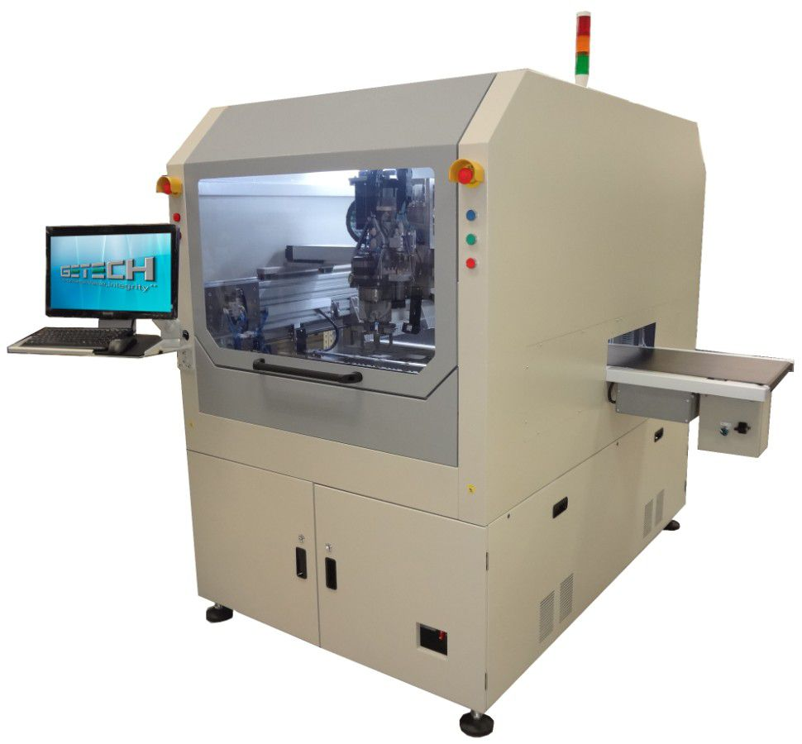 |  |  |  | $175,000.00

OPTIONS |  |  |  |  |  | Suggested End User Price | Qty | Sub Total | Discount/ Commission | Total
1 | Fiducial Mark Vision Alignment |  |  |  |  | Inc | 0 |  |  | Inc
2 | Vacuum extraction Pressure Sensor |  |  |  |  | $1,190 | 0 | $- | 20% | $-
3 | Barcode Scanner (1D / 2D) + software |  | Required for MES integration |  |  | $5,280 | 0 | $- | 20% | $-
4 | Post Routing PCB dust cleaning module |  |  |  |  | $4,725 | 0 | $- | 20% | $-
5 | Tray Handler In/Out same side for Parts Tote Trays [ Replaces Flat Belt Off load] |  | Max Tray Size 550mm[L] x 400mm [W] |  |  | $46,350.00 | 0 | $- | 10% | $-
6 | Tray Empty Vision Verification [ confirms trays entering system are clear] |  |  |  |  | $8,550.00 | 0 | $- | 20% | $-
7 | Router bit diameter check function |  |  |  |  | $2,250.00 | 0 | $- | 20% | $-
8 | Bar Ionizer |  |  |  |  | $2,250.00 | 0 | $- | 20% | $-
9 | Auto program load from PCB barcode reader externally mounted |  | Scanner mounted on inbound conveyor |  |  | $3,105.00 | 0 | $- | 20% | $-
10 | MES Integration |  | Full Specification Required |  |  | $-
11 | Flat belt out-going conveyor (W=395mm, External length = 640mm) |  |  |  |  | $2,250 | 0 | $- | 20% | $-
12 | Extra set of 4 Gripper jaws (Fingers & adapter) |  | 4 come as standard |  |  | $1,620 | 0 | $- | 20% | $-

 |  |  |  |  |  |  |  | Options |  | $-
Standard Terms and Conditons |  |  |  |  |  |  |  | Machine |  | $175,000.00
1 | All Prices are quoted Ex Works Getech's Singapore Factory |  |  |  |  |  |  | Total |  | $175,000.00
2 | All Estimates provided in relation to this project are Estimates only.
3 | Machine performance and product suitability can only be qualified with testing of sample materials.
4 | Payment Terms 40% with Order, 40% on Shipment, 20% due 120 days after Shipment. Unless otherwise agreed.

 | 201 Woodlands Ave 9, #05-50 Spectrum 2, Singapore 738955, Republic of Singapore.

GLRS_Laser Systems
Getech Machine Quoteation. |  | GLRS: Laser Routing System
Customer. |  | Name |  |  | Dated | 17-Dec-18
For the attention of |  | Name |  |  | Valid for 30 days

Machine General Description |  | Panel Size Capability | Worktables | Vac System | Spindle Type | Suggested End User Price | Qty | Suggested End User | Discount | Total Price USD
CE Optional | GLRS1200 standalone laser singulation system c/w 1. Integrated carbon filtration system 2. Integrated Laser [Green 532 nm ] 3. Manual Doors | Panel 350 x 300 | Two | Top Vac | Green Laser Source 532 nm [10W Power] | $185,000.00 | 1 | $185,000.00 | 0% | $185,000.00
CE Optional | LIRM - IL Inline laser singulation system c/w 1. Integrated carbon filtration system 2. Integrated Laser [Green 532 nm ] 3. Manual Doors | Panel 350 x 300 | Two | Top Vac | Green Laser Source 532 nm [10W Power] | $220,000.00 | 1 | $220,000.00 | 0% | $220,000.00
 |  |  |  |  | Machine Total |  |  |  |  | $405,000.00
 | The GLSS is either a standalone or inline Laser singulation machine specially designed to handle ultra-sensitive FR4 and and flexible printed circuit board assemblies. In the standalone application typical PCB thickness at the cut line is less than 0.6 mm. With the higher power inline system PCB thickness can be upto 1.6mm subject to testing. The GLSS operates two tables for simultaneous cutting and load/unload operations for maximum production effectiveness and flexibility. The GLSS employs a 10W or 30W green laser source with wavelength at 532 nm. The Laser is a pulsed system with energy durations that allow the clean cutting of difficult materials while maintaining a very low HAZ at the cut line. |  |  |  |  |  |  | 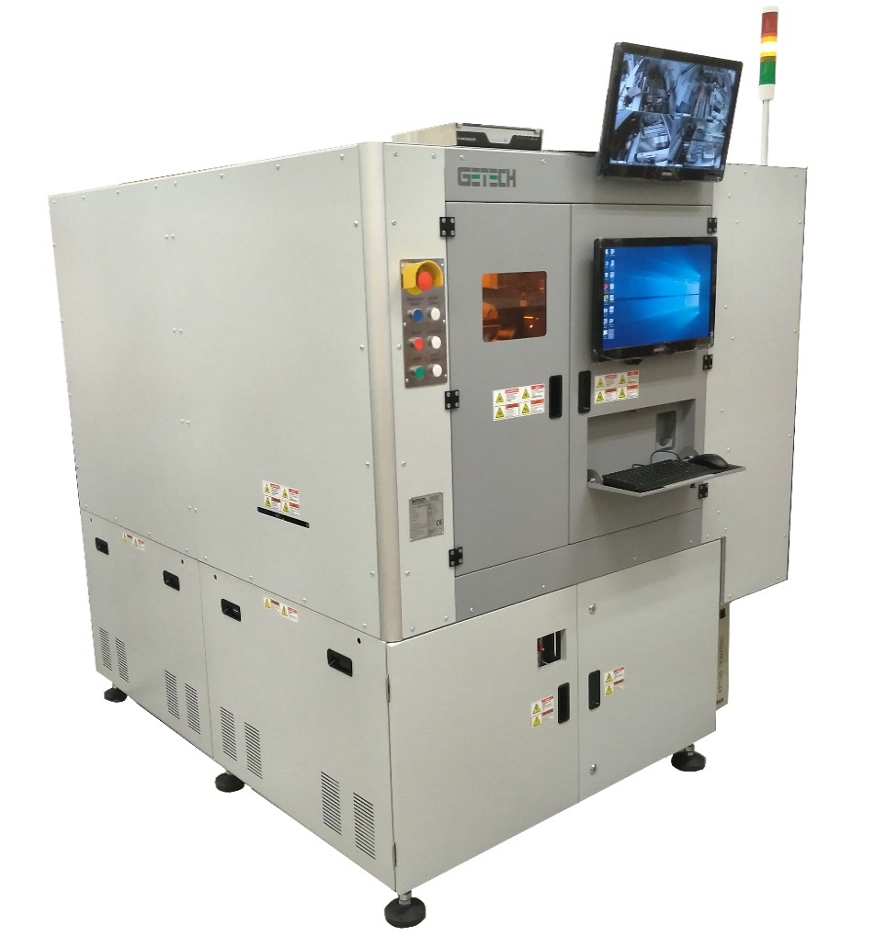
OPTIONS |  |  |  |  |  | Suggested End User Price | Qty | Sub Total | Discount/ Commission | Total
1 | Fiducial Mark Vision Alignment |  |  |  |  | $6,714.00 | 1 | $6,714.00 | 20% | $5,371.20
2 | Fume Extractor |  |  |  |  | $3,825.00 | 1 | $3,825.00 | 20% | $3,060.00
3 | Barcode Scanner (1D / 2D) + software |  |  |  |  | $5,280.00 | 1 | $5,280.00 | 20% | $4,224.00
4 | 30W Laser Upgrade for high Power applications |  |  |  |  | $40,500.00 | 1 | $40,500.00 | 10% | $36,450.00
5 | CE Certification |  |  |  |  | $5,040.00 | 1 | $5,040.00 | 20% | $4,032.00

 |  |  |  |  |  |  |  | Options |  | $53,137.20
Standard Terms and Conditons |  |  |  |  |  |  |  | Machine |  | $405,000.00
1 | All Prices are quoted Ex Works Getech's Singapore Factory |  |  |  |  |  |  | Total |  | $458,137.20
2 | All Estimates provided in relation to this project are Estimates only.
3 | Machine performance and product suitability can only be qualified with Testing of sample materials.
4 | Payment Terms 40% with Order, 40% on Shipment, 20% due 120 days after Shipment. Unless otherwise agreed.

201 Woodlands Ave 9, #05-50 Spectrum 2, Singapore 738955, Republic of Singapore.

